Instructions
EXCEL BRUCELLOSIS VACCINATION CERTIFICATE INSTRUCTIONS

When you open this document, you will see three Worksheets labeled “Instructions” (in blue), “Vaccination Record” (in red), and “Data Input” (in green) at the bottom of the screen towards the left side.

Click the worksheet and complete the top portion. Cells that should not be edited are protected. You can tab through the cells starting with ‘Herd Owner’.
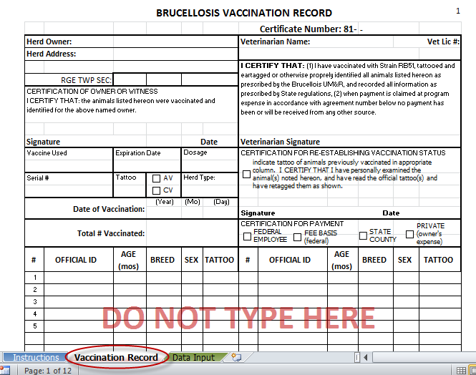

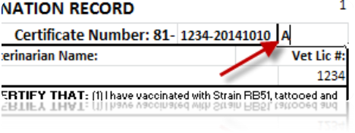
The certificate number is generated automatically based on your license number and the date of vaccination.
If you vaccinate more than one group of animals in a single day, add an 'A' after the certificate number in the box immediately above 'Vet Lic #'; 'B' for the second certificate, and so on.

ADDING ANIMAL DATA
Click on the worksheet to enter your animal information.

Paste or manually enter animal data into the columns provided
IMPORTANT: Do NOT use Cut/Paste on this worksheet!
Fill in Column A, “#”, for each animal
As you type, Autofill* or paste data into this worksheet, it will automatically appear on the Vaccination Record
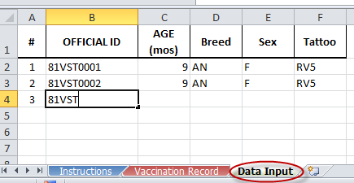

*Autofill is a quick method of entering data. For help with Excel, try viewing this YouTube video: https://www.youtube.com/watch?v=2FTxjK60gKM or call Leslie: 444-9622 or Tahnee: 444-5214.

Maximum number of animals per certificate: 1,092
If you are vaccinating more than 1,092 animals in one day, please contact our office and we will provide a template that can accommodate more animals
When working animals over multiple days, create a new certificate for each day

FINALIZING THE VACCINATION RECORD
Convert the worksheet to PDF using 1 of 2 methods:
1. File, Print, select a printer that converts the document to PDF
You may not have this software installed on your computer (a number of free options are available for download)
2. From the worksheet, save and close the document, then right-click on the file and select ‘Convert to PDF’

Sign the PDF document electronically (see eSIGNATURE SETUP for more details)

Email BOTH the signed PDF AND the Excel document to:
eCVI@mt.gov

eSIGNATURE SETUP
Basic Setup:
1. Open the Vaccination Record (after converting it to PDF) in Adobe Reader
(available free at http://get.adobe.com/reader/)
2. Go to Edit
a. Preferences à Signatures Category
i. Under “Identities and Trusted Certificates” click “More”
1. Select “Add ID”
2. New digital ID
3. Next
4. New PKCS#12 digital ID file
5. Next
6. Enter Name, organization unit/name, and email address
a. Do not edit “enable Unicode support”, “key algorithm” or “use digital ID for”
7. Create a password
8. Finish
ii. Close

Customized Signature: (Optional)
1. Sign a blank white paper with a thick felt pen or Sharpie marker
2. Scan your signature with high resolution, crop the image, and save it as a pdf document
3. Open the eCVI in Adobe Reader
4. Go to Edit
a. Preferences, Signatures Category
i. Under “Creation & Appearance” click “More”
1. Under Appearance, select New
2. Next to Appearance, click “Create new appearance”
a. Type the name that will appear next to your signature
b. Select radio button next to Imported graphic
i. Click “file” to browse for your pdf signature
c. OK
3. Under Configure Text
a. Select which items you wish to appear next to your name (changes should be visible in the preview above)
ii. OK
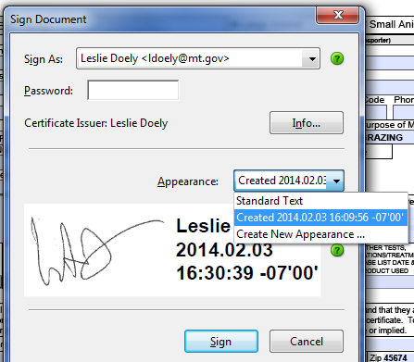
5. When you are ready to sign your first document, select your appearance from the drop-down

